Master
X | Real EG | Predicted EG | Stepwise EG | Biweekly EG
111 | 0.154 | 0.109 | 0.108 | 0.106
116 | 0.148 | 0.131 |  | 0.109
121 | 0.184 | 0.127
124 | 0.022 | 0.151

Cluster 5
 | Real EG | Predicted EG | Stepwise EG | Biweekly EG
111 | 0.154 | 0.109 | 0.108 | 0.106
116 | 0.148 | 0.131 |  | 0.109
121 | 0.184 | 0.127
124 | 0.022 | 0.151

Cluster All
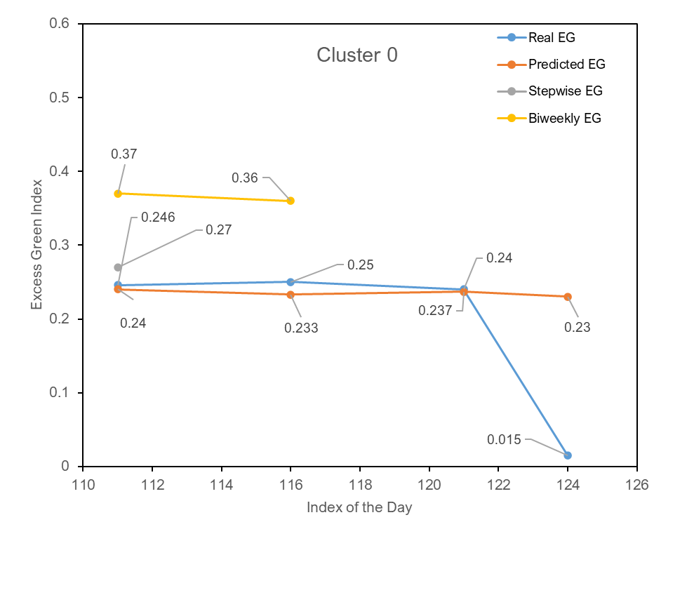
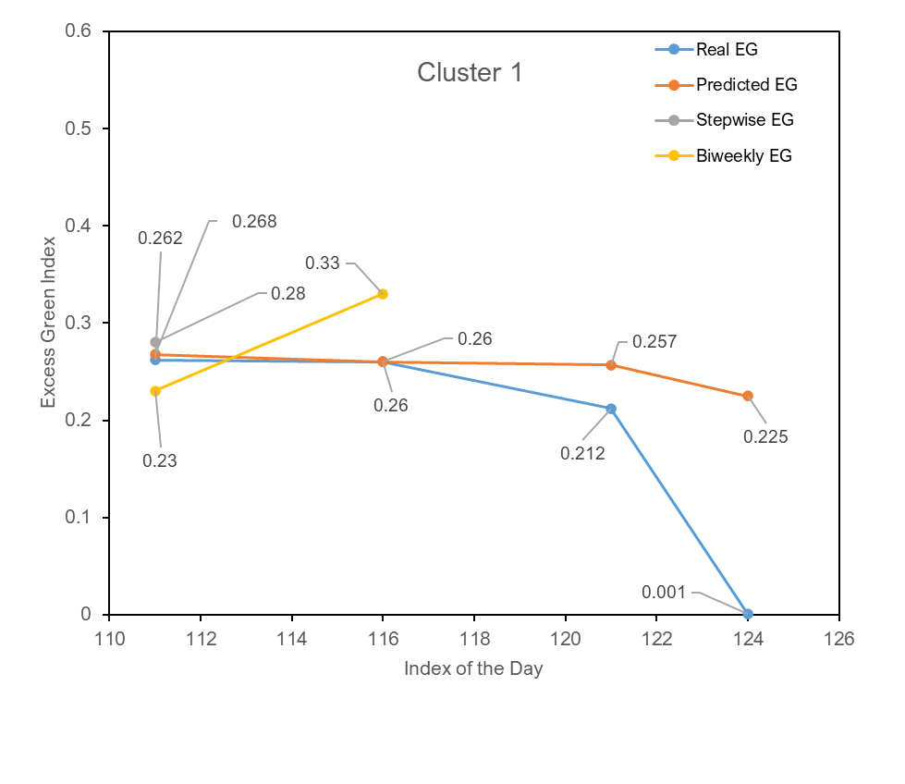
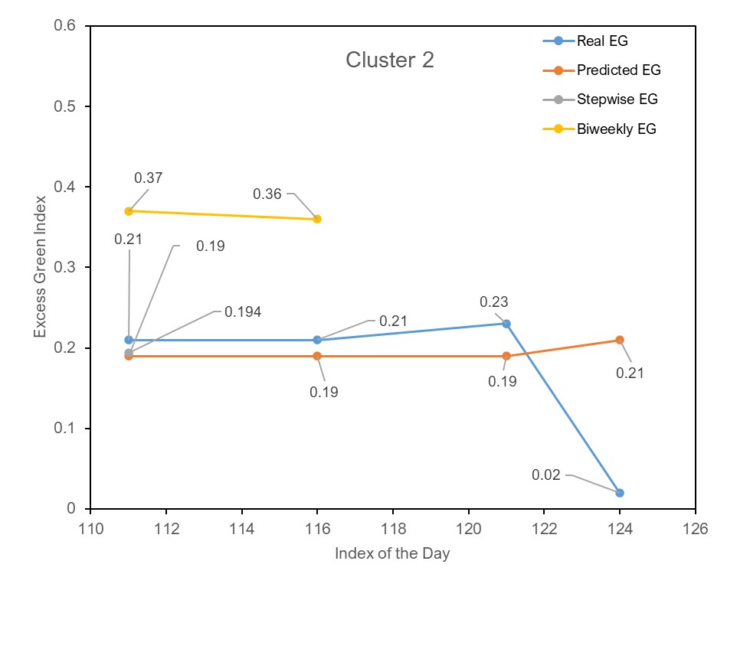
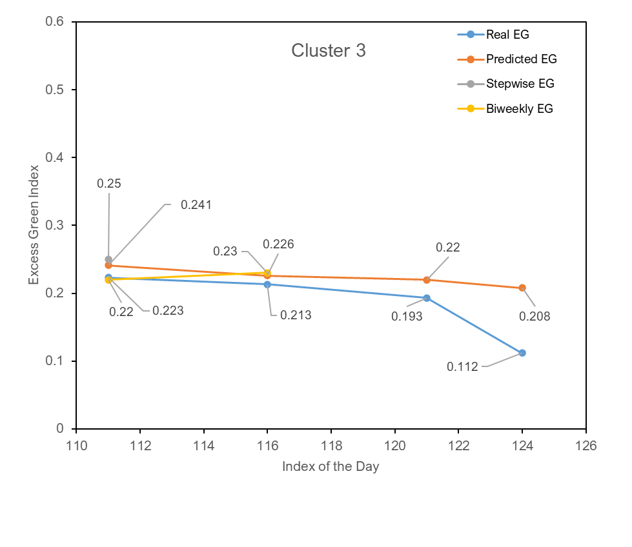
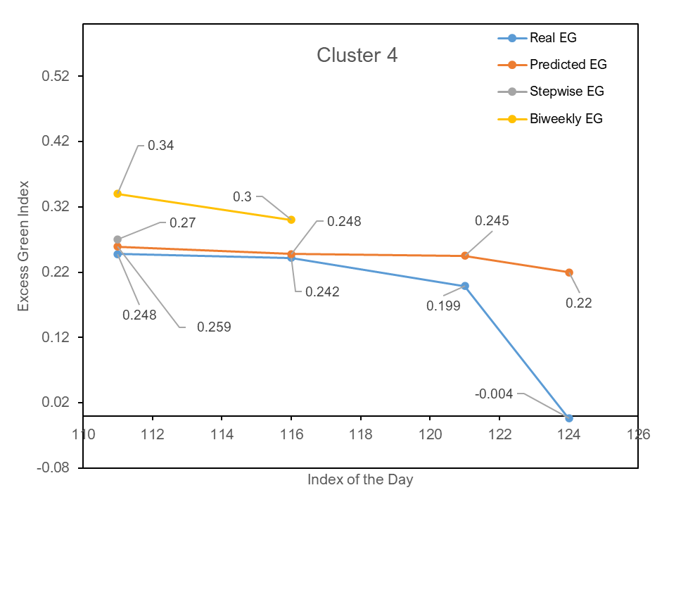
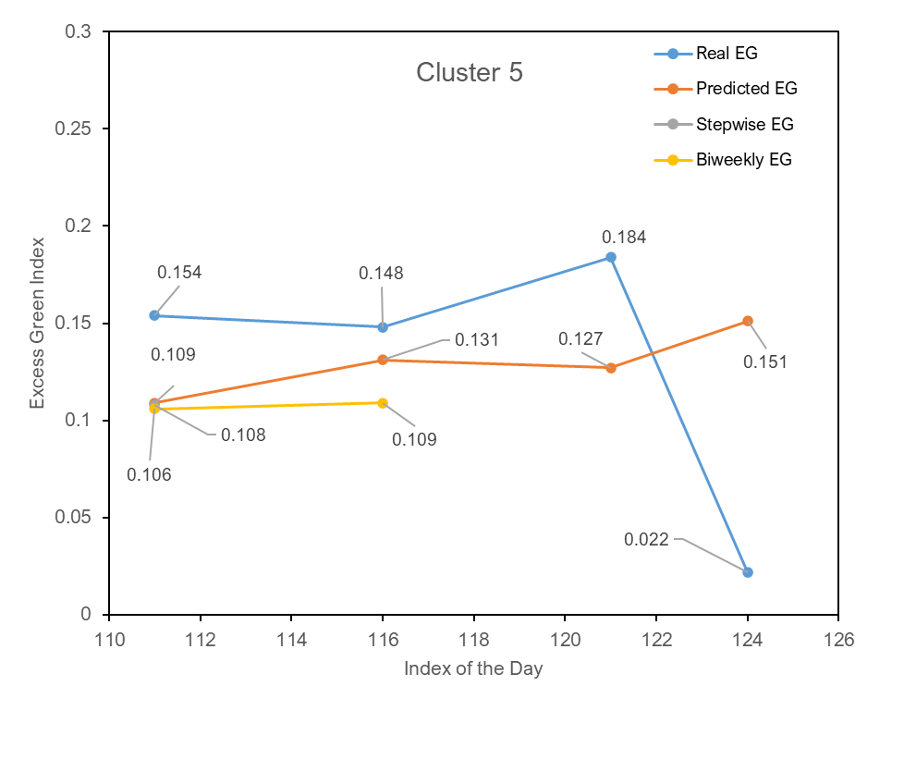
Cluster 0
Index of day to predict | Real value | All predicted values | Stepwise predicted value | Biweekly predictions
111 | 0.246 | 0.24 | 0.27 | 0.37
116 | 0.25 | 0.233 |  | 0.36
121 | 0.24 | 0.237
124 | 0.015 | 0.23

Cluster 1
Index of day to predict | Real value | All predicted values | Stepwise predicted value | Biweekly predictions
111 | 0.262 | 0.268 | 0.28 | 0.23
116 | 0.26 | 0.26 |  | 0.33
121 | 0.212 | 0.257
124 | 0.001 | 0.225

Cluster 2
Index of day to predict | Real value | All predicted values | Stepwise predicted value | Biweekly predictions
111 | 0.21 | 0.19 | 0.194 | 0.37
116 | 0.21 | 0.19 |  | 0.36
121 | 0.23 | 0.19
124 | 0.02 | 0.21

Cluster 3
Index of day to predict | Real value | All predicted values | Stepwise predicted value | Biweekly predictions
111 | 0.223 | 0.241 | 0.25 | 0.22
116 | 0.213 | 0.226 |  | 0.23
121 | 0.193 | 0.22
124 | 0.112 | 0.208

Cluster 4
Index of day to predict | Real value | All predicted values | Stepwise predicted value | Biweekly predictions
111 | 0.248 | 0.259 | 0.27 | 0.34
116 | 0.242 | 0.248 |  | 0.3
121 | 0.199 | 0.245
124 | -0.004 | 0.22

Cluster 5
Index of day to predict | Real value | All predicted values | Stepwise predicted value | Biweekly predictions
111 | 0.154 | 0.109 | 0.108 | 0.106
116 | 0.148 | 0.131 |  | 0.109
121 | 0.184 | 0.127
124 | 0.022 | 0.151

Cluster 3
Cluster 3
 | Real EG | Predicted EG | Stepwise EG | Biweekly EG
111 | 0.154 | 0.109 | 0.108 | 0.106
116 | 0.148 | 0.131 |  | 0.109
121 | 0.184 | 0.127
124 | 0.022 | 0.151

